Indices

 | Iraq Stock Exchange
 | Bulletin No (19)
 | ISX Trading Indices of Sunday 1/2/2026

 | Traded Volume and OTC |  | 898,881,262 |  | Traded Value and OTC |  | 1,005,285,215 |  | Traders | 757

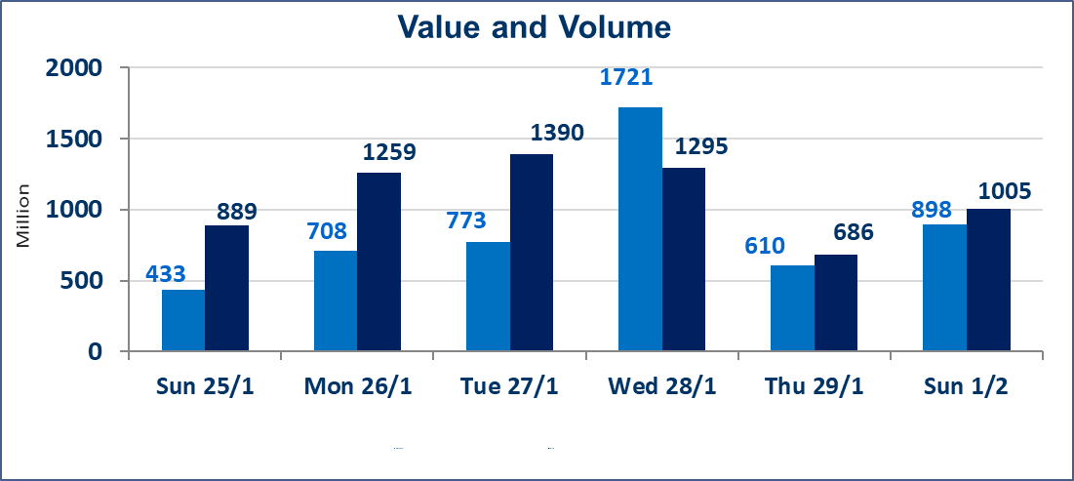
 | ISX Index 60 |  |  | 951.84 | ISX Index 15 |  |  | 1219.96
 | Previous ISX Index60 |  |  | 953.94 | Previous ISX Index15 |  |  | 1223.36
 | Change % |  |  | -0.22 | Change % |  |  | -0.28
 | Change |  |  | -2.10 | Change |  |  | -3.40

 | Listed Companies | 104 | OTC | 14 | Non Traded listed | 52 | OTC | 12
 | Traded Listed Companies | 36 | OTC | 2 | Higher Companies |  |  | 5
 | GAM Companies |  |  | 5 | Lower Companies |  |  | 14
 | Suspended Companies |  |  | 11
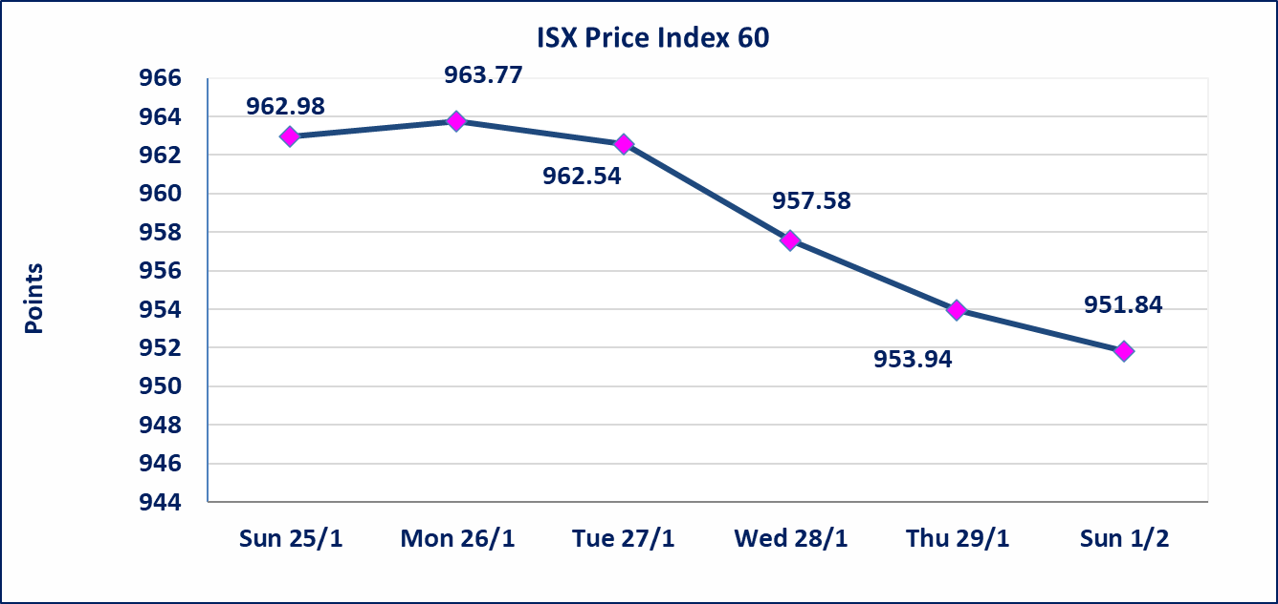
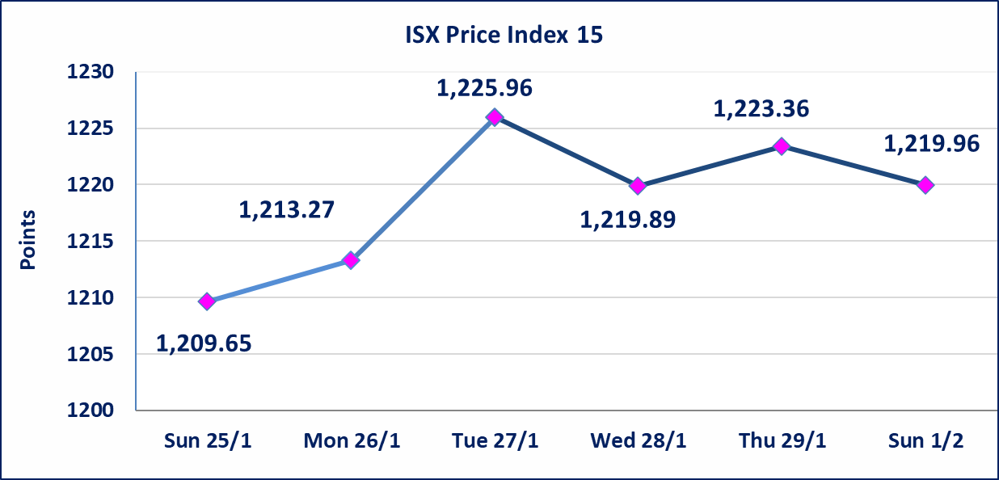

Al-Alwiya P.O . 3607 Mobile: 07711211522 - 07270094594 - 07834000034 E-mail: info-isx@isx-iq.net Web site:www.isx-iq.net

Top 5
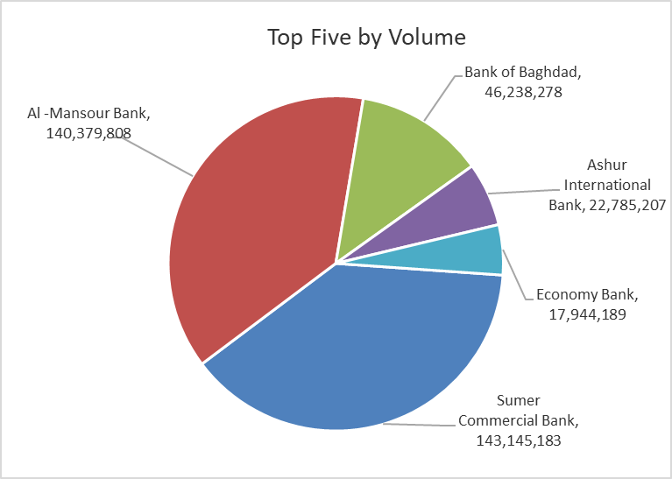
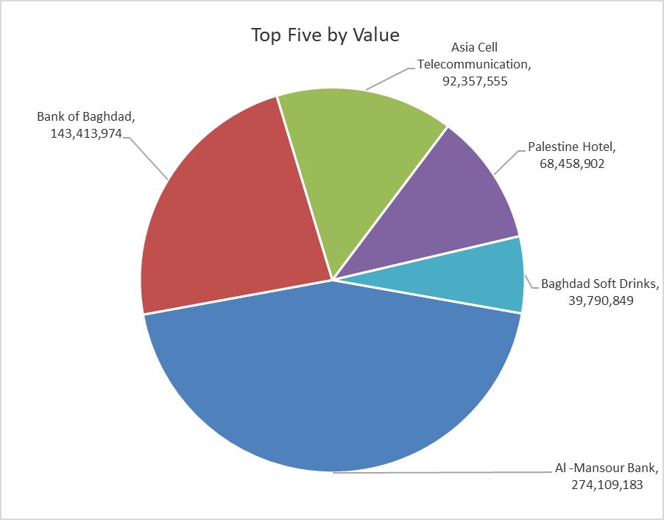

ISX top ganing and losing companies
Sunday 1/2/2026
 | Gainers |  |  |  | Losers
 | Company Name | Closing Price | Change (%) | Traded Volume | Company Name | Closing Price | Change (%) | Traded Volume
 | Ready Made Clothes | 2.300 | 5.50 | 270,427 | Kurdistan International Bank | 1.650 | -4.62 | 12,909,048
 | Economy Bank | 0.230 | 4.55 | 17,944,189 | Babil Animal & Vegetable Production | 6.800 | -2.86 | 212,615
 | Al -Mansour Bank | 1.950 | 1.56 | 140,379,808 | Baghdad -Iraq Transportation | 21.800 | -1.80 | 1,202,321
 | Modern Construction Materials | 1.670 | 1.21 | 2,968,015 | Mamoura Realestate | 3.150 | -1.56 | 2,977,268
 | Palestine Hotel | 21.200 | 0.47 | 3,209,268 | Al -Khazer Construction Materials | 1.300 | -1.52 | 63,677
 | The most active companies in term of traded volume and value

 | Traded Volume |  |  |  | Traded Value
 | Company Name | Closing Price | Change (%) | Traded Volume | Company Name | Closing Price | Change (%) | Traded Value
 | Sumer Commercial Bank | 0.120 | 0.00 | 143,145,183 | Al -Mansour Bank | 1.950 | 1.56 | 274,109,183
 | Al -Mansour Bank | 1.950 | 1.56 | 140,379,808 | Bank of Baghdad | 3.090 | -1.28 | 143,413,974
 | Bank of Baghdad | 3.090 | -1.28 | 46,238,278 | Asia Cell Telecommunication | 14.790 | -0.14 | 92,357,555
 | Ashur International Bank | 0.260 | 0.00 | 22,785,207 | Palestine Hotel | 21.200 | 0.47 | 68,458,902
 | Economy Bank | 0.230 | 4.55 | 17,944,189 | Baghdad Soft Drinks | 5.820 | -0.17 | 39,790,849

Non Iraqis

Iraq Stock Exchange
Non Iraqis' Bulletin Sunday Feb 1 2026
Regular Market

Non Iraqi Trading of Regular Market (Buy)
Company Names | Code | No.of trades | Traded Shares | Trading Volume
Banks Sector
Bank Of Baghdad | BBOB | 1 | 10,000,000 | 31,000,000
Total Bank sector |  | 1 | 10,000,000 | 31,000,000
Grand Total |  | 1 | 10,000,000 | 31,000,000

Non Iraqi Trading of Regular Market (Sell)
Company Names | Code | No.of trades | Traded Shares | Trading Volume
Banks Sector
Bank Of Baghdad | BBOB | 33 | 28,000,000 | 86,830,074
Total Bank sector |  | 33 | 28,000,000 | 86,830,074
Grand Total |  | 33 | 28,000,000 | 86,830,074

Not Trading Bonds

Iraq Stock Exchange
Sunday 1/2/2026
Not Trading Bonds Bulletin
Bond type | Publish type | Code | last trading price | immortilize date
Banaa Bonds /Million ID | Second | CB20 | 964,981 | 19/12/2025
Eamar Bonds /Million ID | First | CB30 | 1,001,095 | ــــــــــــــــ
Eamar Bonds /Million ID | Second | CB40 | ــــــــــــــــ | ــــــــــــــــ
Eamar Bonds /500 Thousand ID | Third | CB45 | ــــــــــــــــ | ــــــــــــــــ
Eamar Bonds /Million ID | Third | CB50 | ــــــــــــــــ | ــــــــــــــــ
Injaz Bonds /500 Thousand ID | First | CB55 | ــــــــــــــــ | ــــــــــــــــ
Injaz Bonds /Million ID | First | CB60 | ــــــــــــــــ | ــــــــــــــــ
Injaz Bonds /500 Thousand ID | Second | CB65 | 515,047 | ــــــــــــــــ
Injaz Bonds /Million ID | Second | CB70 | 1,026,082 | ــــــــــــــــ
Injaz Bonds /500 Thousand ID | Third | CB75 | ــــــــــــــــ | ــــــــــــــــ
Injaz Bonds /Million ID | Third | CB80 | 978,182 | ــــــــــــــــ
National Bonds/Million ID | First | CB90 | ــــــــــــــــ | ــــــــــــــــ
National Bonds/500 Thousand ID | Second | CB95 | ــــــــــــــــ | ــــــــــــــــ
National Bonds/Million ID | Second | CB100 | ــــــــــــــــ | ــــــــــــــــ

